Pivot chart-2
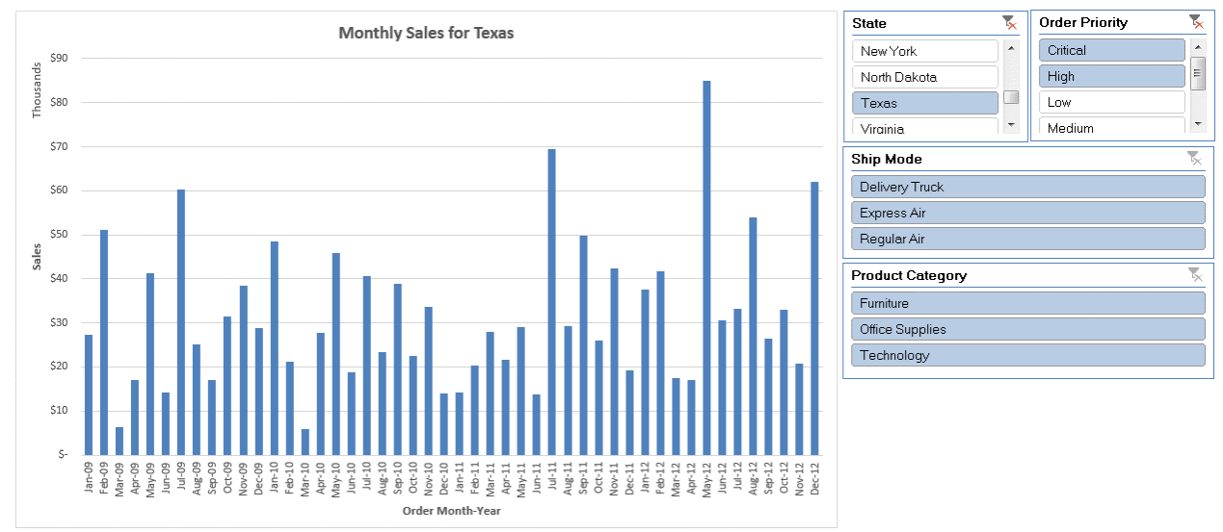
Pivot Charts

Lets create a simple dashboard using pivot charts!!
1. Create a pivot table with 'Order Month-Year' (create this column in the dataset) in the row, state in the filter section and sales in values evaluated
2. Create a pivot chart to represent the the variation in sales across time with the ability to change state filter
3. Create slicers with options to filter State, Product Category, Order Priority and Ship Mode
4. Format the chart title to show: Monthly Sales for <State Selected from Slicer>

